Parent Catagory Statistics
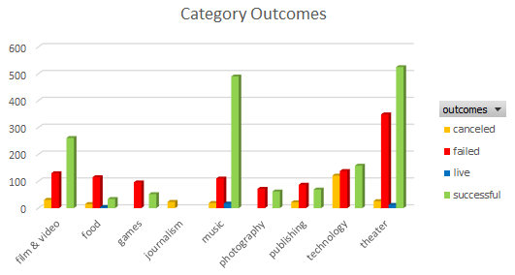
country | GB
Parent Category Statistics
 | canceled | failed | live | successful
film & video | 2 | 30 |  | 21
food | 1 | 8 | 1
games |  | 17 |  | 16
music | 1 | 7 | 1 | 25
photography |  | 27 |  | 18
publishing | 3 | 8 |  | 6
technology | 12 | 19 |  | 22
theater | 6 | 89 | 6 | 258
Count of outcomes | Column Labels
Row Labels | canceled | failed | live | successful | Grand Total
film & video | 2 | 30 |  | 21 | 53
food | 1 | 8 | 1 |  | 10
games |  | 17 |  | 16 | 33
music | 1 | 7 | 1 | 25 | 34
photography |  | 27 |  | 18 | 45
publishing | 3 | 8 |  | 6 | 17
technology | 12 | 19 |  | 22 | 53
theater | 6 | 89 | 6 | 258 | 359
Grand Total | 25 | 205 | 8 | 366 | 604

Subcatagory Statistics
Parent Category | music
country | US

Subcategory Statistics
 | canceled | failed | live | successful
classical music |  |  |  | 33
electronic music |  |  |  | 30
faith |  | 37 | 17
indie rock |  | 20 |  | 138
jazz |  | 53
metal |  |  |  | 14
pop |  |  |  | 35
rock |  |  |  | 240
world music | 19
Count of outcomes | Column Labels
Row Labels | canceled | failed | live | successful | Grand Total
classical music |  |  |  | 33 | 33
electronic music |  |  |  | 30 | 30
faith |  | 37 | 17 |  | 54
indie rock |  | 20 |  | 138 | 158
jazz |  | 53 |  |  | 53
metal |  |  |  | 14 | 14
pop |  |  |  | 35 | 35
rock |  |  |  | 240 | 240
world music | 19 |  |  |  | 19
Grand Total | 19 | 110 | 17 | 490 | 636

Outcomes Based on Launch Date
Outcomes Based on Launch Date
Parent Category | technology
Subcategory | (All)
Years | (All)
Quarters | (All)

Count of outcomes | Column Labels
Row Labels | canceled | failed | successful | Grand Total
Jan | 17 | 23 | 9 | 49
Feb | 13 | 14 | 20 | 47
Mar | 12 | 13 | 17 | 42
Apr | 11 | 7 | 26 | 44
May | 11 | 11 | 14 | 36
Jun | 17 | 22 | 17 | 56
Jul | 18 | 17 | 18 | 53
Aug | 12 | 14 | 18 | 44
Sep | 13 | 24 | 15 | 52
Oct | 12 | 23 | 20 | 55
Nov | 26 | 23 | 24 | 73
Dec | 16 | 22 | 11 | 49
Grand Total | 178 | 213 | 209 | 600

